Results
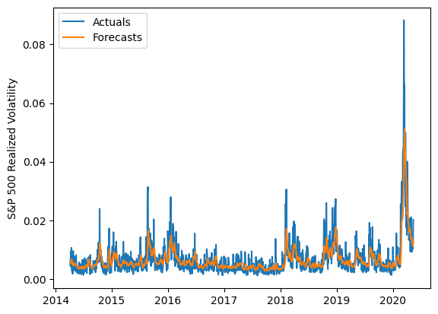
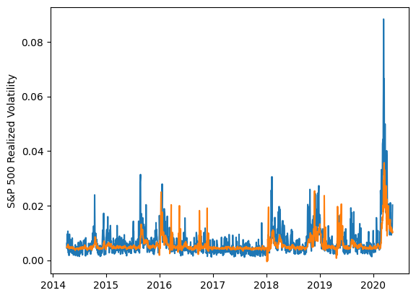
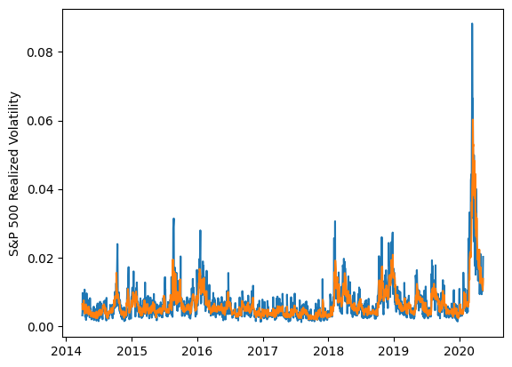
 | LSTM |  |  | TCN |  |  | NBEATSx |  |  |  |  | LSTM |  |  | TCN |  |  | NBEATSx
 | Accuracy | RMSE | Qlike | Accuracy | RMSE | Qlike | Accuracy | RMSE | Qlike |  |  | Accuracy | RMSE | Qlike | Accuracy | RMSE | Qlike | Accuracy | RMSE | Qlike
Trial 1 | 62.20% | 0.0022001586487 | 0.088154536391 | 59.60% | 0.0024215767926 | 0.11460148651 | 68.59% | 0.0020276407811 | 0.073784332494 |  | Mean | 63.53% | 0.223% | 0.098 | 52.49% | 0.270% | 0.159 | 68.26% | 0.204% | 0.076
Trial 2 | 67.76% | 0.0023491842421 | 0.14834562449 | 37.70% | 0.0029422430899 | 0.20334138961 | 67.56% | 0.0020786352739 | 0.077681629957 |  | Standard Deviation | 3.72% | 0.006% | 0.016 | 7.85% | 0.027% | 0.058 | 0.68% | 0.002% | 0.001
Trial 3 | 67.53% | 0.0021699698355 | 0.098234442889 | 47.21% | 0.0027304468631 | 0.16919809515 | 68.27% | 0.002030418242 | 0.075038534133 |  | 95% CI upper bound | 70.96% | 0.234% | 0.131 | 68.19% | 0.324% | 0.275 | 69.61% | 0.207% | 0.078
Trial 4 | 67.44% | 0.002183135619 | 0.096884120753 | 60.25% | 0.0025390217448 | 0.12366855966 | 69.21% | 0.0020203479275 | 0.075609657611 |  | 95% CI lower bound | 56.10% | 0.212% | 0.065 | 36.80% | 0.217% | 0.044 | 66.90% | 0.201% | 0.073
Trial 5 | 61.67% | 0.0022643010333 | 0.091449018549 | 46.38% | 0.0027838900625 | 0.17479967273 | 68.70% | 0.0020348030759 | 0.075714682681 |  | 99.7% CI upper bound | 74.68% | 0.240% | 0.147 | 76.04% | 0.350% | 0.333 | 70.29% | 0.209% | 0.079
Trial 6 | 55.41% | 0.0023406814773 | 0.094519939083 | 57.82% | 0.0025298430948 | 0.12496430627 | 66.68% | 0.0020692884547 | 0.075065633196 |  | 99.7% CI lower bound | 52.38% | 0.206% | 0.048 | 28.95% | 0.190% | -0.014 | 66.22% | 0.199% | 0.072
Trial 7 | 62.17% | 0.0021909792204 | 0.087929720939 | 59.03% | 0.0025285726805 | 0.12502163904 | 67.83% | 0.0020393023705 | 0.0753888623
Trial 8 | 58.80% | 0.0022748707316 | 0.092163994149 | 40.67% | 0.0028503104609 | 0.19315688618 | 68.50% | 0.0020267710974 | 0.075864995017
Trial 9 | 61.53% | 0.0022140466516 | 0.089064132495 | 56.80% | 0.002436742412 | 0.12565250445 | 68.13% | 0.0020565082066 | 0.075372405447
Trial 10 | 61.44% | 0.0022096872522 | 0.086630357484 | 46.23% | 0.0035085461092 | 0.34056383956 | 69.35% | 0.0020212404922 | 0.075671412129
Trial 11 | 63.44% | 0.0022016675942 | 0.090064138534 | 46.00% | 0.0027427775911 | 0.16848542155 | 67.75% | 0.0020524631712 | 0.076710949657
Trial 12 | 66.19% | 0.0022044185388 | 0.097486004066 | 54.26% | 0.0026172428889 | 0.13831039724 | 68.95% | 0.0020343252249 | 0.078410496451
Trial 13 | 64.70% | 0.0021978839292 | 0.0931170407 | 54.06% | 0.0026185350963 | 0.14050326549 | 68.01% | 0.0020388359919 | 0.074977846276
Trial 14 | 69.19% | 0.0022616199091 | 0.12227363178 | 63.61% | 0.0026107610675 | 0.11462816639 | 68.19% | 0.0020363525302 | 0.074816493441
Trial 15 | 63.46% | 0.0021724262592 | 0.088905172835 | 57.74% | 0.0026480299986 | 0.13015279015 | 68.10% | 0.0020379848322 | 0.075419495393

 | LSTM (best trial) |  |  |  |  |  |  |  |  | TCN (best trial) |  |  |  |  |  |  |  |  | NBEATSx (best trial)

